Instructions
Instructions

 | 1) Enter sales data in "Data' worksheet (up to 4000 rows) for up to 2 years (104 weeks) from the current week 2) When entering Customer Names, Locations, or Product Type in the Data worksheet, ensure the values are consistent (e.g. if location is Sydney each transaction for this location is also spelled exactly "Sydney") 3) The workbook must be refreshed each time new data is added (Data menu - Refresh All) 4) The Report data and view can be altered using the in-cell drop down menus as pictured below.

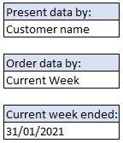

 | The current week (the week you are reporting on) should be entered as a date value under "Current week ended" in the Sales Volume worksheet

